BACKPACKS
Image | Reference | Size | UPC | Case Pack | Total QTY | Total Backpacks | Total Slings | Total Qty | Price | Total
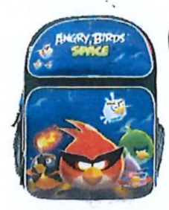 | Angry Birds Space | 16 in | 843340060866 | 24 | 1,176 | 32,231 | 9,256 | 41,487
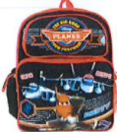 | Big Boss Planes | 16 in | 875598632045 | 24 | 1,216
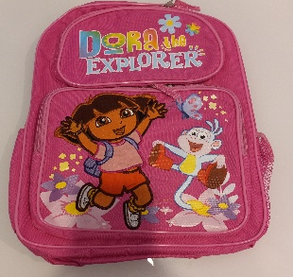 | Dora the Explorer Girls | 16 in | 688955813274 | 24 | 1,112
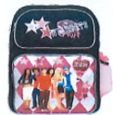 | High School Musical "Wildcats" w water bottle | 16 in | 693186197475 | 24 | 342
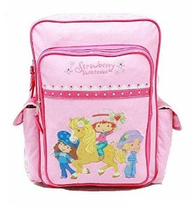 | Strawberry Shortcake (Pink) Girls | 16 in | 289305219706 | 24 | 426
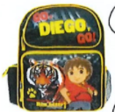 | Go Diego Go | 16 in | 688955822320 | 24 | 410
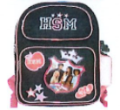 | High School Musical w water bottle | 16 in | 693186197420 | 24 | 1,364
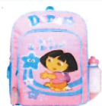 | Dora the Explorer Girls Stars "Las Estrellas w water bottle | 16 in | 693186093005 | 24 | 18
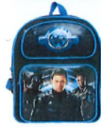 | GI Joe -Rise of the Cobra | 14 in | 693186222955 | 24 | 618
 | Go Diego Go | 14 in | 688955822327 | 24 | 1,040
 | High School Musical w water bottle | 14 in | 693186197437 | 24 | 819
 | GI Joe -Rise of the Cobra | 14 in | 693186622955 | 24 | 145
 | Go Diego Go Big Kitty | 14 in | 688955822337 | 24 | 906
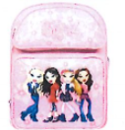 | Bratz Romantic Girls | 14 in | 843340010038 | 24 | 2,702
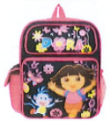 | Dora The Explorer "Flowers" | 14 in | 875598626785 | 24 | 1,008
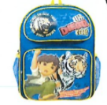 | Go Diego Go "Siberian Tiger" | 14 in | 693186317330 | 24 | 510
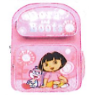 | Dora & Boots (silver/pink) | 14 in | 693186225871 | 24 | 148
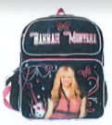 | Hannah Montana (black/Pink/silver)(pic on front) | 14 in | 875598602017 | 24 | 1,224
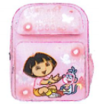 | Dora &Boots (PInk/pink) | 14 in | 693186225819 | 1 | 13
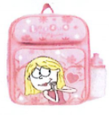 | Lizzie Mcquire w water bottle | 12 in | 693186102172 | 24 | 42
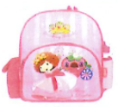 | Strawberry Shortcake "Berry Dazzling" w water bottle | 12 in | 688955340930 | 24 | 994
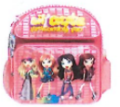 | Lil Bratz "Fashonaly Fab" w water bottle | 12 in | 884239043843 | 24 | 170
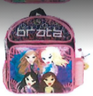 | Bratz Pink/Black w water bottle | 12 in | 884239043577 | 24 | 37
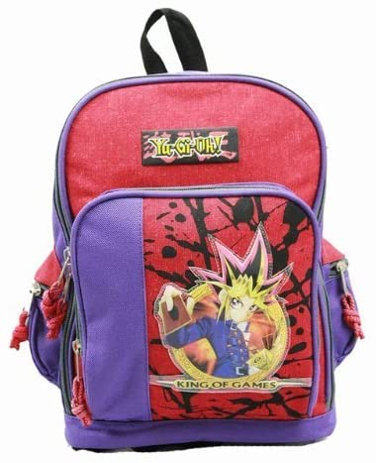 | Yu-Gi-Oh- King of Games (blue/blue) | 12 in | 813274004861 | 24 | 69
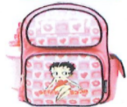 | Betty Boop Girls w water bottle | 10 in | 688955344853 | 24 | 522
 | Angry Birds Space | 10 in | 843340061696 | 24 | 2,372
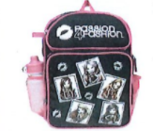 | Bratz-Passion For Fashion w water bottle | 10 in | 813274019711 | 24 | 78
 | High School Musical w water bottle | 10 in | 693186197444 | 24 | 1,346
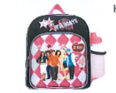 | High School Musical "Wildcats" w water bottle | 10 in | 693186197499 | 24 | 1,872
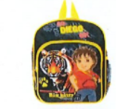 | Go Diego Go | 10 in | 688955822306 | 24 | 1,432
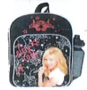 | Hannah Montana "Girls Rock" (pink/black) w water bottle | 10 in | 693186210549 | 24 | 2,064
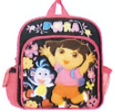 | Dora the Explorer "Flowers" | 10 in | 875598627768 | 24 | 1,372
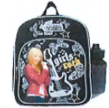 | Hannah Montana "Girls Rock" (black/silver) w water bottle | 10 in | 693186200908 | 24 | 208
 | GI Joe -Rise of the Cobra | 10 in | 693186222962 | 24 | 2,200
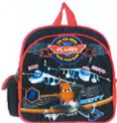 | Planes "Echo-Bravo-Dusty" (red/black) | 10 in | 875598632014 | 24 | 652
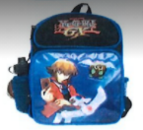 | Yu-Gi-Oh- "Hidden Stregnth"w water bottle | 10 in | 813274019735 | 24 | 546
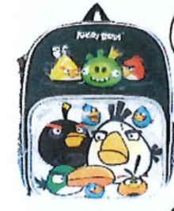 | Angry Birds (All faces on front) | 10 in | 843340056081 | 24 | 176
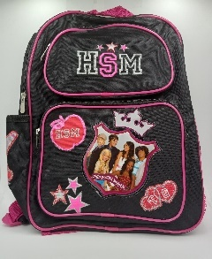 | High School Musical w water bottle | 10 in | 931186197437 | 24 | 816
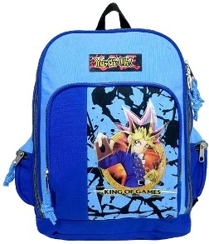 | Yu-Gi-Oh-"Its Your Move" | 10 in | 813274004885 | 24 | 66
 |  |  |  | TOTAL | 32,231

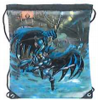 | Batman "Flying" Sling | 20 in | 840716034575 | 60 | 360
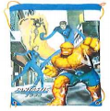 | Fantastic Four Sling | 20 in | 840716034568 | 60 | 680
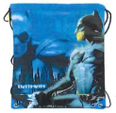 | Batman (blue) (Batman on side) Sling | 20 in | 840716034544 | 60 | 600
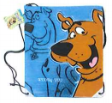 | Scooby Doo (blue) Sling | 20 in | 840716034599 | 60 | 498
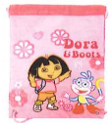 | Dora &Boots (pink/purple) Sling | 14 in | 693186161681 | 28 | 22
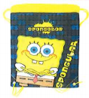 | SpongeBob Sqarepants "Spongular" Sling (blue/yellow) | 14 in | 693186161919 | 25 | 19
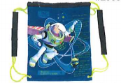 | Buzz Lightyear(Sector Protector) Sling (blue/green) | 14 in | 693186141294 | 48 | 42
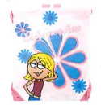 | LizzieMcQuire (pink/blue) Sling | 14 in | 693186080166 | 48 | 260
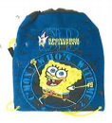 | Sponge Bob Squarepants "Come on who's w Me" (blue) Sling | 14 in | 693186141119 | 48 | 142
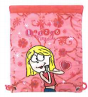 | Lizzie Mcquire (pink/pink) Sling | 12 in | 693186102202 | 48 | 700
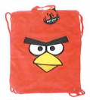 | Angry Birds "Red Plush" Sling | 12 in | 843340053127 | 24 | 420
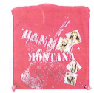 | Hannah Montana (pink/silver) Sling | 12 in | 693186187032 | 72 | 698
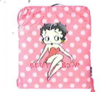 | Betty Boop (pink/dots) Sling | 12 in | 688955352469 | 48 | 2,600
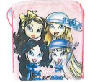 | Lil Bratz "Dressed Up" Sling | 12 in | 813274019650 | 48 | 912
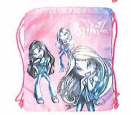 | Bratz (pink/silver/3 girls) Sling | 12 in | 813274019698 | 48 | 48
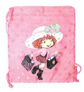 | Strawberry Shortcake Sling | 10 in | 688955352353 | 48 | 755
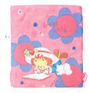 | Strawberry Shortcake "Smart Cookie" Sling | 10 in | 688955352445 | 48 | 500
 |  |  |  |  | 9,256

